Instructions
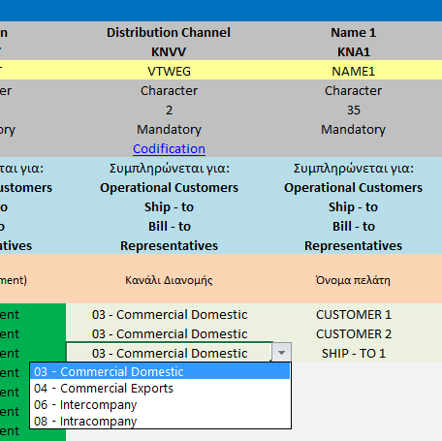
Γενικές Οδηγίες

A. Συμπλήρωση Φύλλων

Contracts: Τα στοιχεία των Δ.Ε.Ο.Π συμπληρώνονται στο φύλλο αυτό
Για κάθε συνδυασμό πελάτη, παραλήπτη & υλικού, ξεχωριστή γραμμή πρέπει να συμπληρώνεται στο excel

Για τους πελάτες, παραλήπτες, εργολάβους, μηχανικούς κλο θα πρέπει να χρησιμοποιηθούν οι παλαιοί κωδικοί, όπως έχουν οριστεί στα αρχεία "Customer Master Records_GR Ready - Mix v01" και "Customer Master Records_GR Others v01"

Εάν για τον ίδιο κωδικό υλικού υπάρχουν παραπάνω από 1 εργοστάσια τροφοδοσίας, ο ίδιος κωδικός υλικού θα πρέπει να χρησιμοποιηθεί σε επιπλέον Items

Β. Οδηγίες Συμπλήρωσης

Οδηγίες συμπλήρωσης ανά στήλη αναγράφονται στις γραμμές "Instructions GR"

C. Λίστες Τιμών
Για τα πεδία με συγκεκριμένη λίστα τιμών, οι τιμές θα πρέπει να επιλέγονται μέσω του αντίστοιχου dropdown list

